Root Example
 | Newton-Raphson Example

i | xi | f(xi) | f'(xi) | Newton
0 | 1.000000 | 0.098612 | -1.666667
1 | 1.059167 | -0.002015 | -1.736002
2 | 1.058007 | -0.000001 | -1.734568 |  | 0 | 1.3862943611
3 | 1.058006 | 0.000000 | -1.734568 |  | 0.5 | 0.82175583998
4 | 1.058006 | 0.000000 | -1.734568 |  | 1 | 0.098612288668
 |  |  |  |  | 1.5 | -0.94038421206

MaxMin Example
Newton Optimization Example
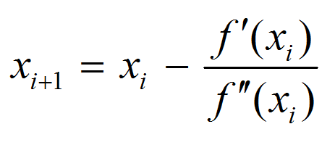
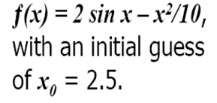

 | i | xi | f(xi) | f'(xi) | f"(xi)
 | 0 | 2.5
 | 1

